Chapter 8 EB5
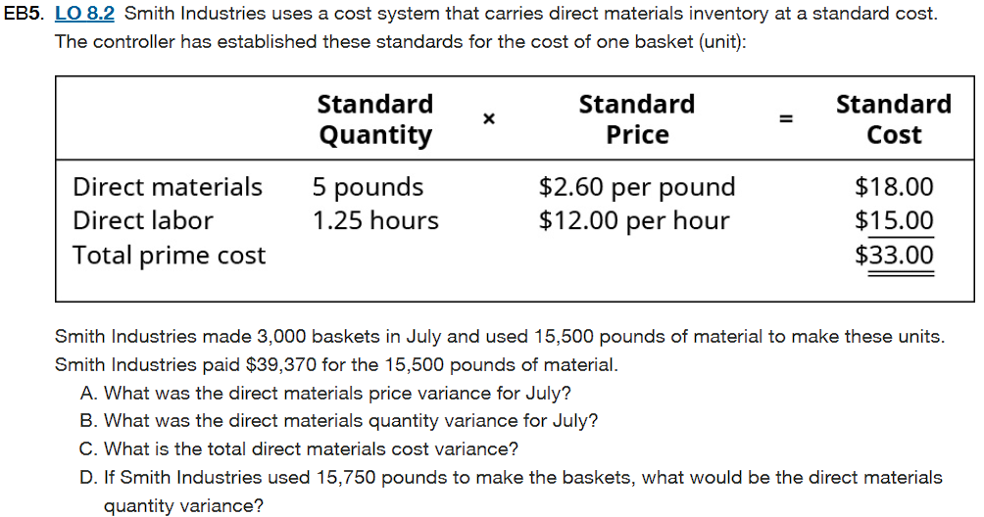

Given: | Standard Quantity (SQ): 5 pounds/basket
 | Standard Price (SP): $2.60 per pound
 | Actual Quantity Used (AQ): 15,500 pounds
 | Actual Price Paid (AP): $39,370 /15,500 = $2.54 per pound
 | Actual Output: 3,000 baskets
 | If used: 15,750 pounds

 | A. Direct Material Price Variance | C. Total Direct Material Cost Variance | Part | Description | Result
 | It is the difference of actual DM price/unit and the standand DM price/unit | It is the difference of standard cost and actual cost of materials used. | A | Direct Materials Price Variance | $930 Favorable
 | DM Price Variance= AQ * (AP - SP) | Total DM Variance = DM price variance + DM Quantity Variance | B | Direct Materials Quantity Variance | $1,300 Unfavorable
 | DM Price Variance = 15,500*(2.54-2.60)= -$930 | Total DM Variance = $930(F)+ $1,300(U) = $370(U) | C | Total Direct Materials Cost Variance | $370 Unfavorable
 | DM price variance is $930 Favorable | Total DM Variance is $370 Unfavorable | D | DMQV if 15,750 pounds used | $1,950 Unfavorable

 | B. Direct Materials Quantity Variance | D. If AQ=15,750 what will be the DM quantity Variance
 | It compares the actual and expected amount of Direct material utilized in the manufacture of a product | SQ= 15,000 Pounds
 | DM Quantity Variance = (SQ−AQ)×SP | DM Quantity Variance= (15,000-15,750) * $2.60= $1,950
 | SQ= 3000* 5= 15,000 Pounds | DM quantity Variance is $1950 Unfavorable
 | DM Quantity Variance = (15,000-15,500) * $2.60 = $1,300
 | DM Quantity Variance is $1,300 Unfavorable

